Chart
Furniture Sales by Region
Home Product Sales |  | Furniture Sales by Region
Item | Total | Product | NE | NW | SE | SW | Total
Bath | 1,819,525 | Bamboo Coffee Table | 627 | 307 | 292 | 416 | 1,642
Bedroom | 6,562,829 | Bamboo End Table | 580 | 191 | 222 | 532 | 1,525
Dining | 5,176,877 | Captain Recliner | 420 | 371 | 243 | 404 | 1,438
Entryways | 981,128 | Chameleon Couch | 552 | 214 | 239 | 710 | 1,715
Kids Room | 2,728,894 | Media Armoire | 671 | 313 | 287 | 575 | 1,846
Kitchen | 2,378,585 | Grand Total | 2,850 | 1,396 | 1,283 | 2,637 | 8,166
Living Room | 5,522,522

SmartArt
First Half Sales & Expenses Report
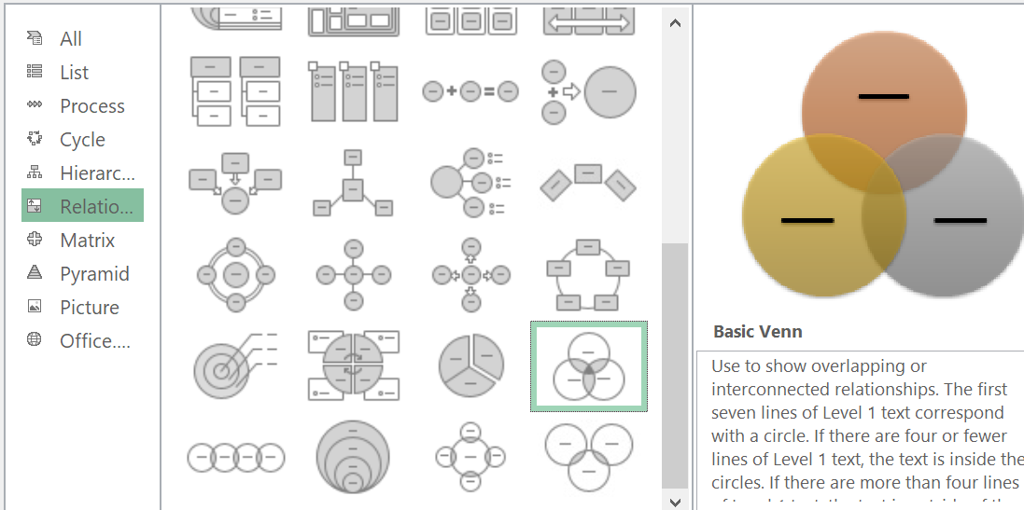
 |  |  |  |  |  |  |  | INSERT -> SMART CHART
(Thousands of Dollars)
 | Jan | Feb | Mar | Apr | May | Jun | Total
Sales | $121.2 | $181.4 | $262.2 | $241.1 | $301.2 | $501.4 | $1,608.5
Expenses | 106.0 | 133.6 | 121.9 | 232.0 | 267.5 | 353.3 | 1,214.3
Profits | 15.2 | 47.8 | 140.3 | 9.1 | 33.7 | 148.1 | 394.2
YTD Profits | $15.2 | $63.0 | $203.3 | $212.4 | $246.1 | $394.2

% Sales Change |  | 49.7% | 44.5% | -8.0% | 24.9% | 66.5% | 313.7%
% Expenses Change |  | 26.0% | -8.8% | 90.3% | 15.3% | 32.1% | 233.3%
% Profits Change |  | 214.5% | 193.5% | -93.5% | 270.3% | 339.5% | 874.3%

Sales:Expenses | 1.1 | 1.4 | 2.2 | 1.0 | 1.1 | 1.4 | 1.3
Sales:Profits | 8.0 | 3.8 | 1.9 | 26.5 | 8.9 | 3.4 | 4.1
Expenses:Profits | 7.0 | 2.8 | 0.9 | 25.5 | 7.9 | 2.4 | 3.1

